OxyTec.ie
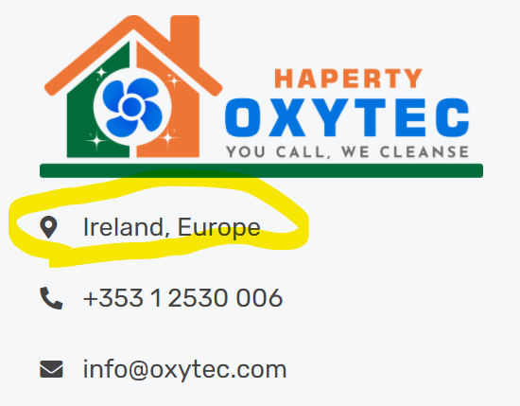
Sr.No | Date |  | Page | Platform | Brief Description | URL | Priority | Responsible Person | Status (change by tester person only) | Comment submitted to Developer | Developer Comments
 |  | Front/Backend |  |  |  |  | H/L/M | Designer/Developer/Writer
1 | 21/03 | Frontend | Home/Footer | Browser | For location (Ireland, Europe) - mouse hover hand plus hyperlink is missing | https://oxytec.ie/ | H | Developer | Pending | 22/03
2 | 21/03 | Frontend | Home | Browser | social media icons are placed two times ( header and footer) |  | H | Developer | Pending | 22/03
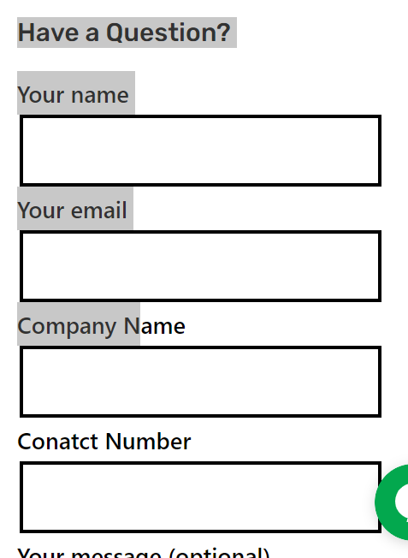
3 | 21/03 | Frontend | Home | Browser | Our clients title is missing |  | H | Developer | Pending | 22/03
4 | 21/03 | Frontend | Home/Footer | Browser | In Navigations (Packages, documents, Training, cookie policy, T&C, Legal Disclaimer) is not working |  | H | Developer | Pending | 22/03
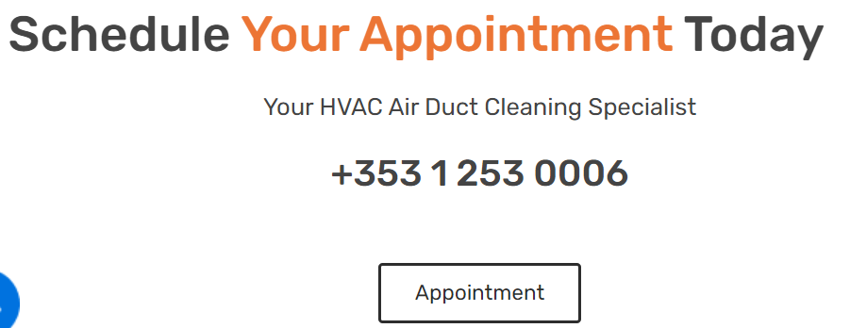
5 | 21/03 | Frontend | Services | Browser | In Services section - 'Have a Question' the boxes size should be reduced | https://oxytec.ie/duct-and-pipe-cleaning/ | H | Developer | Pending | 22/03
6 | 21/03 | Frontend | Services | Browser | Contact us button is not working in services page |  | H | Developer | Pending | 22/03
7 | 21/03 | Frontend | Fleets | Browser | Appointment needs to be fixed properly - number and the above quote should be in the middle | https://oxytec.ie/fleets/ | H | Developer | Pending | 22/03
8 | 21/03 | Frontend | Fleets | Browser | Our clients title is missing in Fleets page |  | H | Developer | Pending | 22/03
9 | 21/03 | Frontend | Fleets | Browser | Contact us button is not working in fleets page |  | H | Developer | Pending | 22/03
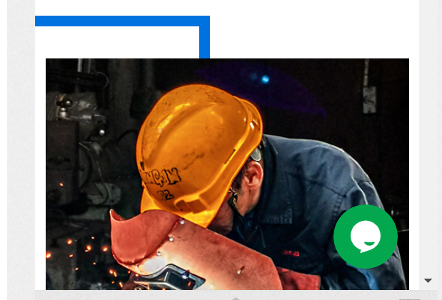
10 | 21/03 | Frontend | Help | Browser | In help section - Download Brochure is not working | https://oxytec.ie/help/# | H | Developer | Pending | 22/03
11 | 21/03 | Frontend |  | Mobile/Portrait | Cookies are poping up on all the pages, when clicking new pages |  | H | Developer | Pending | 22/03
12 | 21/03 | Frontend | Home | Mobile/Portrait | Quote me is missing on the home page to the right hand side |  | H | Developer | Pending | 22/03
13 | 21/03 | Frontend | Home | Mobile/Portrait | For the First image, blue frame backgound is interrupting |  | H | Developer | Pending | 22/03
14 | 21/03 | Frontend | Home | Mobile/Portrait | For location (Ireland, Europe) - mouse hover hand plus hyperlink is missing |  | H | Developer | Pending | 22/03
15 | 21/03 | Frontend | Home | Mobile/Portrait | Our clients title is missing |  | H | Developer | Pending | 22/03
16 | 21/03 | Frontend | About Us | Mobile/Portrait | Hapert core value image should be placed in the middle |  | H | Developer | Pending | 22/03

17 | 21/03 | Frontend | About Us | Mobile/Portrait | Spacing for GET IN TOUCH - Leave us a message should be fixed |  | H | Developer | Pending | 22/03
18 | 21/03 | Frontend | Services | Mobile/Portrait | In Services section - 'Have a Question' the boxes size should be reduced |  | H | Developer | Pending | 22/03
19 | 21/03 | Frontend | Services | Mobile/Portrait | Contact us button is not working in services page |  | H | Developer | Pending | 22/03
20 | 21/03 | Frontend | Fleets | Mobile/Portrait | SCHEDULE YOUR APPOINTMENT TODAY title size should be reduced |  | H | Developer | Pending | 22/03
21 | 21/03 | Frontend | Fleets | Mobile/Portrait | Our clients title is missing in Fleets page |  | H | Developer | Pending | 22/03
22 | 21/03 | Frontend | Fleets | Mobile/Portrait | Contact us button is not working in fleets page |  | H | Developer | Pending | 22/03
23 | 21/03 | Frontend | Help | Mobile/Portrait | In help section - Download Brochure is not working |  |  |  |  | 22/03
24 | 21/03 | Frontend |  | Mobile/Landscape | Cookies are poping up on all the pages, when clicking new pages |  |  |  |  | 22/03
25 | 21/03 | Frontend | Home | Mobile/Landscape | Quote me is missing on the home page to the right hand side |  | H | Developer | Pending | 22/03
26 | 21/03 | Frontend | Home | Mobile/Landscape | For the First image, blue frame backgound is interrupting |  | H | Developer | Pending | 22/03
27 | 21/03 | Frontend | Home | Mobile/Landscape | For location (Ireland, Europe) - mouse hover hand plus hyperlink is missing |  | H | Developer | Pending | 22/03
28 | 21/03 | Frontend | Home | Mobile/Landscape | Our clients title is missing |  | H | Developer | Pending | 22/03
29 | 21/03 | Frontend | About Us | Mobile/Landscape | Hapert core value image should be placed in the middle |  | H | Developer | Pending | 22/03
30 | 21/03 | Frontend | About Us | Mobile/Landscape | Spacing for GET IN TOUCH - Leave us a message should be fixed |  | H | Developer | Pending | 22/03
31 | 21/03 | Frontend | Services | Mobile/Landscape | In Services section - 'Have a Question' the boxes size should be reduced |  | H | Developer | Pending | 22/03
32 | 21/03 | Frontend | Services | Mobile/Landscape | Contact us button is not working in services page |  | H | Developer | Pending | 22/03
33 | 21/03 | Frontend | Fleets | Mobile/Landscape | Our clients title is missing in Fleets page |  | H | Developer | Pending | 22/03
34 | 21/03 | Frontend | Fleets | Mobile/Landscape | Contact us button is not working in fleets page |  | H | Developer | Pending | 22/03
35 | 21/03 | Frontend | Help | Mobile/Landscape | Help page is invisible for landscape mode |  | H | Developer | Pending | 22/03

36 | 21/03 | Frontend | Home/Footer | Tablet/Portrait | For location (Ireland, Europe) - mouse hover hand plus hyperlink is missing |  | H | Developer | Pending | 22/03
37 | 21/03 | Frontend | Home | Tablet/Portrait | social media icons are placed two times ( header and footer) |  | H | Developer | Pending | 22/03
38 | 21/03 | Frontend | Home/Footer | Tablet/Portrait | Spacing for social media icon need to adjust, could be reduced some icon or can be shown in 3 rows |  | H | Developer | Pending | 22/03
39 | 21/03 | Frontend | Home | Tablet/Portrait | Welcome to Oxytec - Title and following content, lining and spacing should be given |  | H | Developer | Pending | 22/03
40 | 21/03 | Frontend | Home/Footer | Tablet/Portrait | Cookies are poping up on all the pages, when clicking new pages |  | H | Developer | Pending | 22/03
41 | 21/03 | Frontend | Home | Tablet/Portrait | Our clients title is missing |  | H | Developer | Pending | 22/03
42 | 21/03 | Frontend | Home/Footer | Tablet/Portrait | In Navigations (Packages, documents, Training, cookie policy, T&C, Legal Disclaimer) is not working |  | H | Developer | Pending | 22/03
43 | 21/03 | Frontend | Services | Tablet/Portrait | In Services section - 'Have a Question' the boxes size should be reduced |  | H | Developer | Pending | 22/03
44 | 21/03 | Frontend | Services | Tablet/Portrait | Contact us button is not working in services page |  | H | Developer | Pending | 22/03
45 | 21/03 | Frontend | Fleets | Tablet/Portrait | Appointment needs to be fixed properly - number and the above quote should be in the middle |  | H | Developer | Pending | 22/03
46 | 21/03 | Frontend | Fleets | Tablet/Portrait | Our clients title is missing in Fleets page |  | H | Developer | Pending | 22/03
47 | 21/03 | Frontend | Fleets | tablet/Portrait | Contact us button is not working in fleets page |  | H | Developer | Pending | 22/03
48 | 21/03 | Frontend | Help | Tablet/Portrait | In help section - Download Brochure is not working |  | H | Developer | Pending | 22/03
49 | 21/03 | Frontend | Home/Footer | Tablet/Landscape | For location (Ireland, Europe) - mouse hover hand plus hyperlink is missing |  | H | Developer | Pending | 22/03
50 | 21/03 | Frontend | Home | Tablet/Landscape | social media icons are placed two times ( header and footer) |  | H | Developer | Pending | 22/03
51 | 21/03 | Frontend | Home/Footer | Tablet/Landscape | Cookies are poping up on all the pages, when clicking new pages |  | H | Developer | Pending | 22/03
52 | 21/03 | Frontend | Home | Tablet/Landscape | Our clients title is missing |  | H | Developer | Pending | 22/03
53 | 21/03 | Frontend | Home/Footer | Tablet/Landscape | In Navigations (Packages, documents, Training, cookie policy, T&C, Legal Disclaimer) is not working |  | H | Developer | Pending | 22/03
54 | 21/03 | Frontend | Services | Tablet/Landscape | In Services section - 'Have a Question' the boxes size should be reduced |  | H | Developer | Pending | 22/03
55 | 21/03 | Frontend | Services | Tablet/Landscape | Contact us button is not working in services page |  | H | Developer | Pending | 22/03
56 | 21/03 | Frontend | Fleets | Tablet/Landscape | Appointment needs to be fixed properly - number and the above quote should be in the middle |  | H | Developer | Pending | 22/03
57 | 21/03 | Frontend | Fleets | Tablet/Landscape | Our clients title is missing in Fleets page |  | H | Developer | Pending | 22/03
58 | 21/03 | Frontend | Fleets | Tablet/Landscape | Contact us button is not working in fleets page |  | H | Developer | Pending | 22/03
59 | 21/03 | Frontend | Help | Tablet/Landscape | In help section - Download Brochure is not working |  | H | Developer | Pending | 22/03

